Sheet1
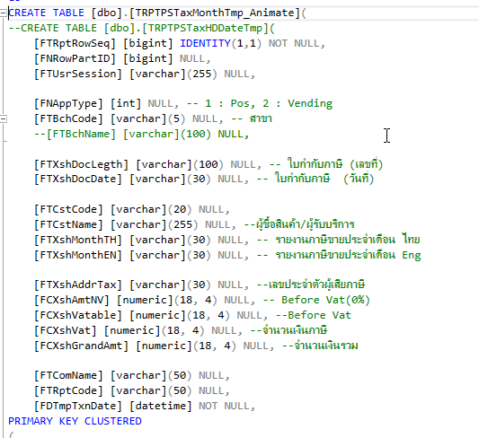
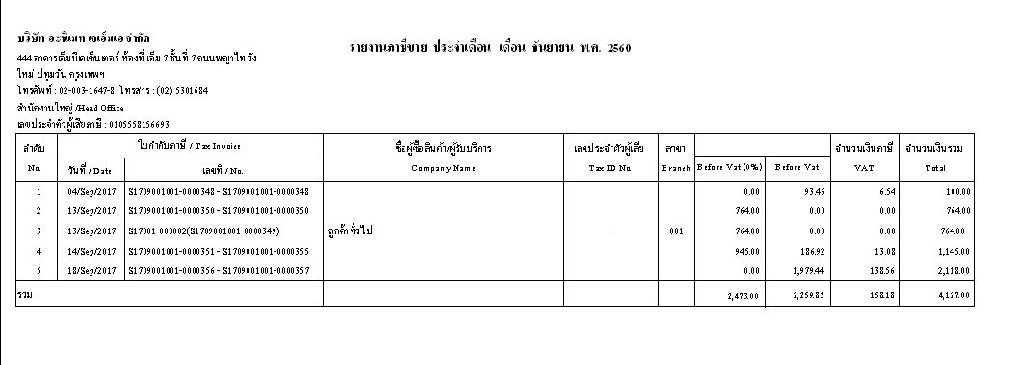

Condition
1. Branch | In
2. Merchant | In
3. Shop | In
4. Pos | In
5. Month | equal | 01,02,03,04,05,06,07,08,09,10,11,12
6. Year | equal | 2020,2021,2022,….

